Budget
 |  |  | Date Selector
Add up all income | 3000 | Current Monthy Progress
Subtraction all expenses | -600
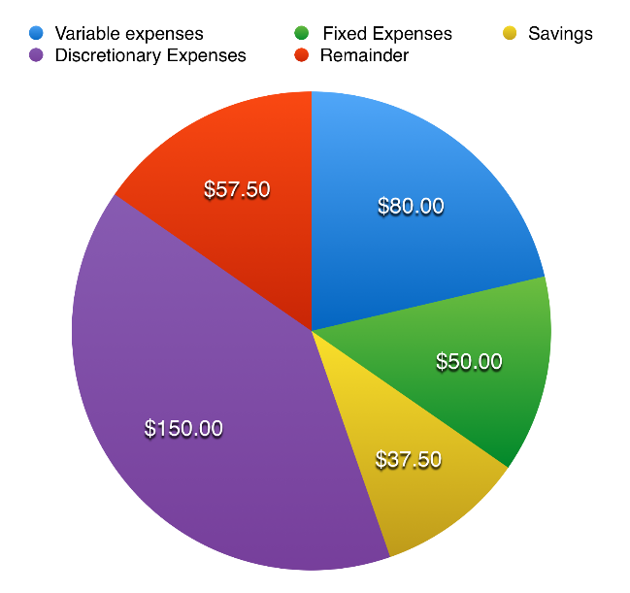
Remainder | 3600

 | Ratio Calculator
 | 50% income for needs
 | 30% income for wants
 | 20% income to savings

